School
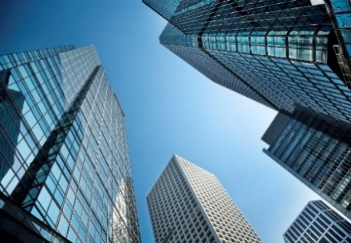 |  | NSW Government 4 Parramatta Square 12 Darcy Street Parramatta, NSW 2150 |  | T (02) 9995 5000 E nabers@environment.nsw.gov.au W nabers.gov.au
NABERS Energy for Schools Prediction Tool
Version: | 3.1 |  | Date: | May-26

The emissions factors used to calculate NABERS Energy ratings are updated every 5 years. This tool helps you understand how ratings have changed over time. It displays 3 different results: 1. Current (2025 Update): estimated rating for rating periods starting from 1 July 2024. 2. Predicted 2030: NABERS has consulted on changes to ratings from 2030 onwards. From 2030, emissions factors will be removed from star rating calculations, with all energy sources assessed equally rather than based on their associated emissions. 3. Original Benchmark results: estimated rating for rating periods starting before 1 July 2024. Note: Reported Emissions will still be calculated and displayed in the Energy Reports. Reported emissions are calculated using Annual National Greenhouse Accounting Factors.

ENTER THE BUILDING INFORMATION

Building Postcode
School Sector
What is the remoteness area classification of the School?
Gross Floor Area (m²)
Number of FTE ELC Students
Number of FTE Primary Students
Number of FTE Secondary Students
Number of FTE Special Needs Students
Presence of Swimming Pool?

Energy Consumption: |  |  |  | Electricity (kWh)
 |  |  |  | Gas (MJ)
 |  |  |  | LPG(L)
 |  |  |  | Diesel (L)
 |  |  |  | Total Energy Consumption (kWh) |  | -

RESULTS

Current (2025 Update)
 |  |  |  |  | STARS
 | STAR RATING
 |  |  | ERROR: Please provide inputs
 |  |  | #N/A |  |  | RPM | #N/A

Predicted 2030
 |  |  |  |  | STARS
 | STAR RATING
 |  |  | ERROR: Please provide inputs
 |  |  | #N/A |  |  | RPM | #N/A

Original Benchmark Result
 |  |  |  |  | STARS
 | STAR RATING
 |  |  | ERROR: Please provide inputs
 |  |  | #N/A |  |  | RPM | #N/A

VISUALISATION OF RESULTS

Star Rating
 | Scenario 1
Original | #N/A
Current | #N/A
Predicted-2030 | #N/A
 |  |  |  |  |  |  |  | Current Star Rating | Predicted 2025 | Predicted 2030

